1
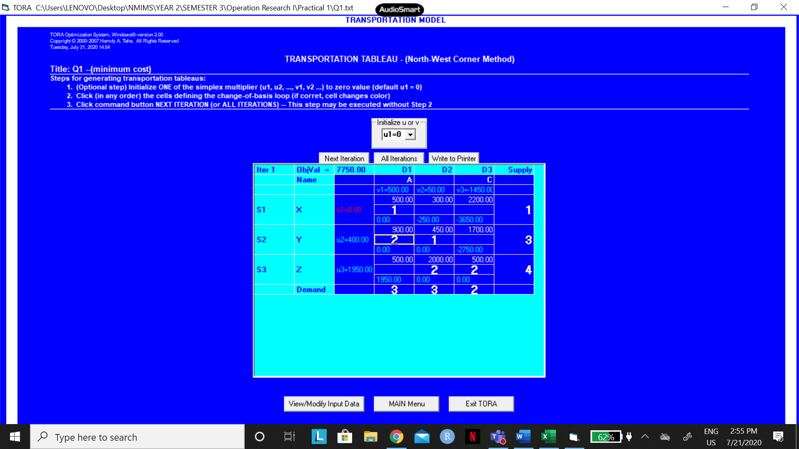
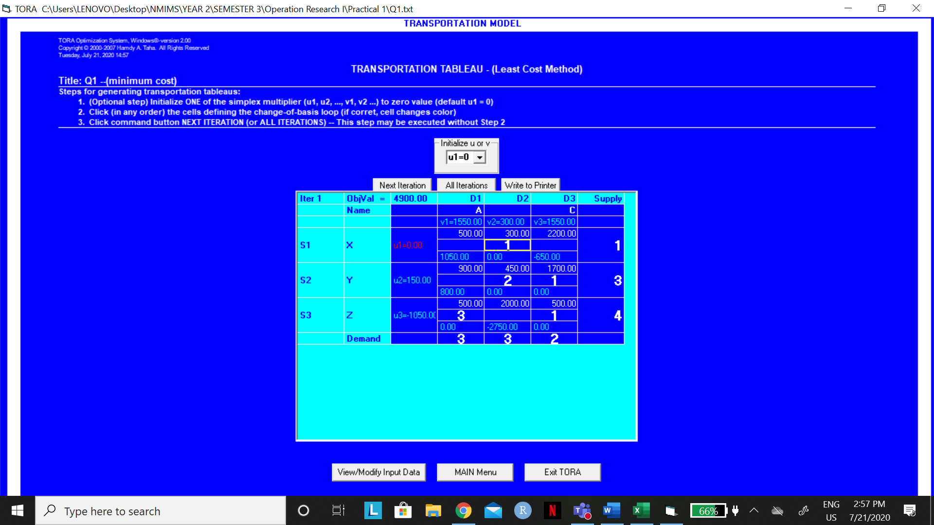

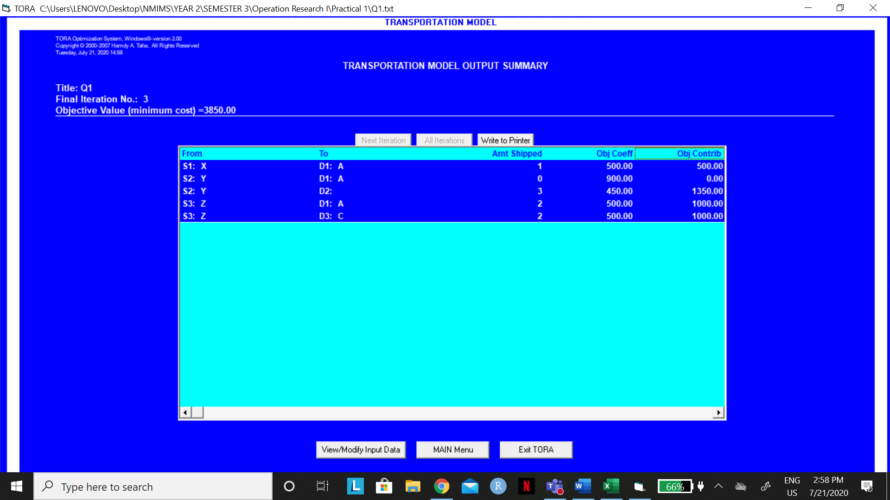
 |  |  |  |  |  | Hrishita Bapuram
 |  |  |  |  |  | 75252019004
 | A | B | C | SUPPLY
X | 500 | 300 | 2200 | 1
Y | 900 | 450 | 1700 | 3
Z | 500 | 200 | 500 | 4
DEMAND | 3 | 3 | 2 | 8

 | A | B | C |  | SUPPLY
X | 1 | 0 | 0 | 1 | 1
Y | 0 | 3 | 0 | 3 | 3
Z | 2 | 0 | 2 | 4 | 4
 | 3 | 3 | 2
DEMAND | 3 | 3 | 2

TOTAL COST |  | 3850

2
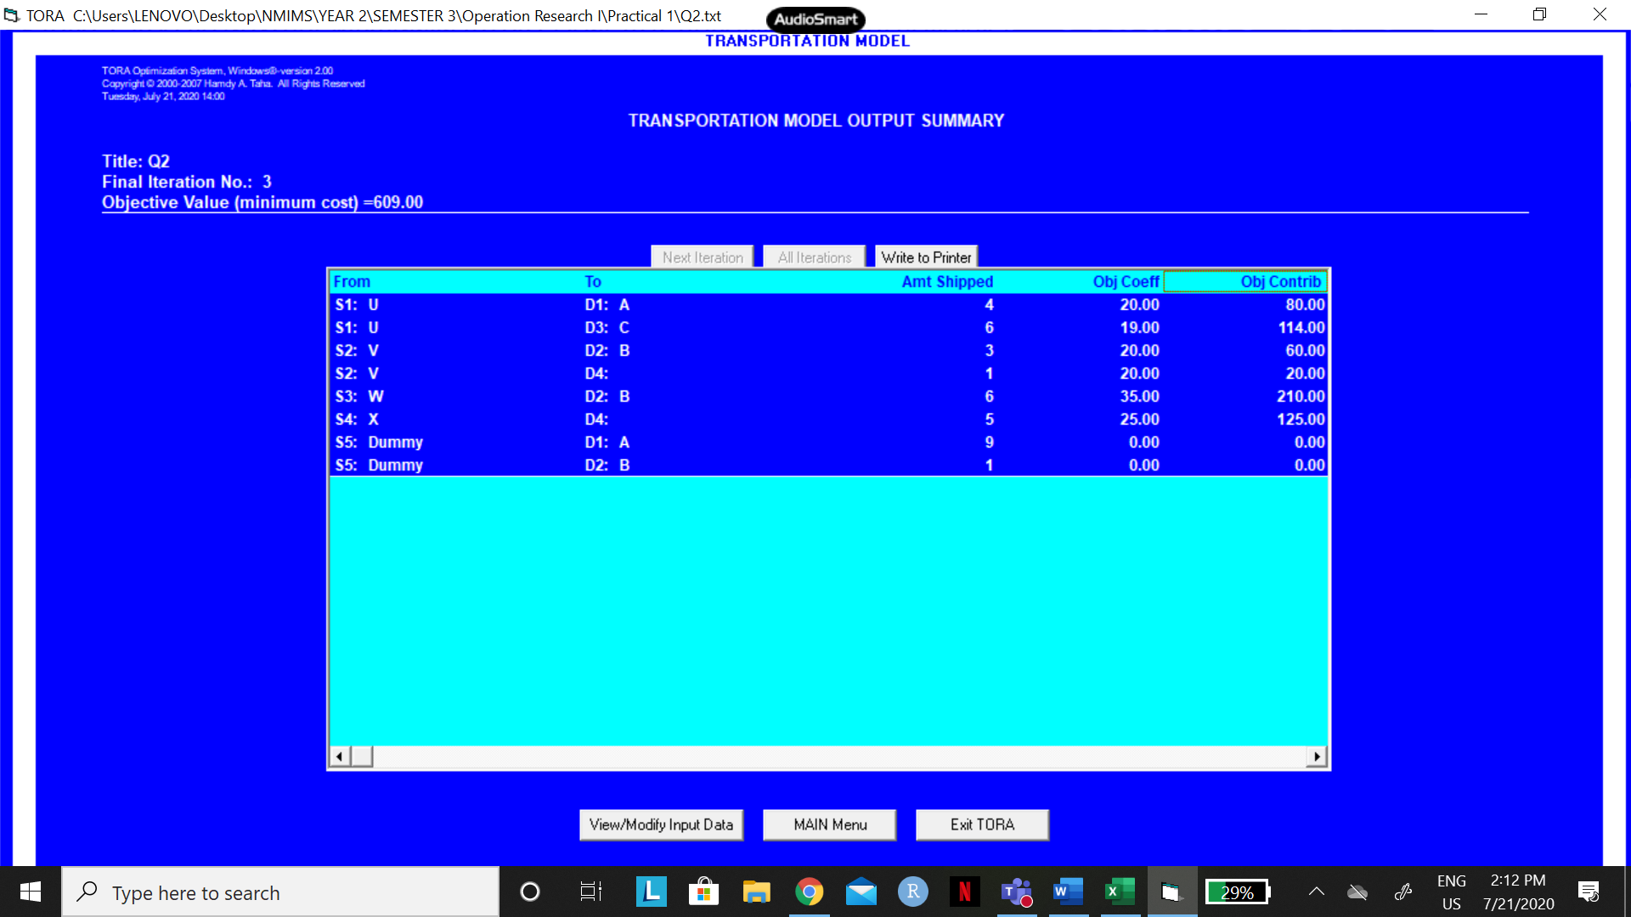
 |  |  |  |  |  |  | Hrishita Bapuram
 |  |  |  |  |  |  | 75252019004
 | A | B | C | D | DEMAND
U | 20 | 36 | 19 | 28 | 10
V | 40 | 20 | 45 | 20 | 4
W | 75 | 35 | 45 | 50 | 6
X | 30 | 35 | 40 | 25 | 5
DUMMY | 0 | 0 | 0 | 0 | 10
SUPPLY | 13 | 10 | 6 | 6 | 35

 | A | B | C | D |  | DEMAND
U | 4 | 0 | 6 | 0 | 10 | 10
V | 0 | 4 | 0 | 0 | 4 | 4
W | 0 | 6 | 0 | 0 | 6 | 6
X | 0 | 0 | 0 | 5 | 5 | 5
DUMMY | 9 | 0 | 0 | 1 | 10 | 10
 | 13 | 10 | 6 | 6
SUPPLY | 13 | 10 | 6 | 6

TOTAL COST |  | 609

3
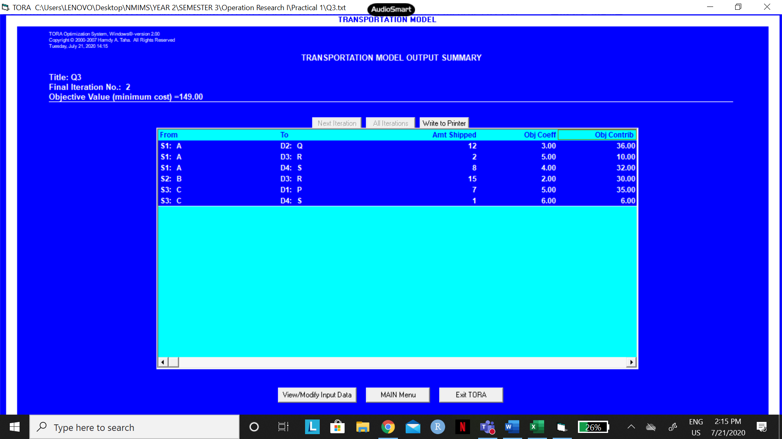
 |  |  |  |  |  |  |  |  |  |  |  | Hrishita Bapuram
 |  |  |  |  |  |  |  |  |  |  |  | 75252019004

 | P | Q | R | S | SUPPLY |  | CLERK'S SOLUTION
A | 6 | 3 | 5 | 4 | 22 |  | Warehouse | Destination | Cost/Unit | Units | Total Cost
B | 5 | 9 | 2 | 7 | 15 |  | A | Q | 3 | 12 | 36
C | 5 | 7 | 8 | 6 | 8 |  | A | R | 5 | 1 | 5
DEMAND | 7 | 12 | 17 | 9 | 45 |  | A | S | 4 | 9 | 36
 |  |  |  |  |  |  | B | R | 2 | 15 | 30
 |  |  |  |  |  |  | C | P | 5 | 7 | 35
 | P | Q | R | S |  | SUPPLY | C | R | 8 | 1 | 8
A | 0 | 12 | 2 | 8 | 22 | 22
B | 0 | 0 | 15 | 0 | 15 | 15 |  |  | TOTAL COST |  | 150
C | 7 | 0 | 0 | 1 | 8 | 8
 | 7 | 12 | 17 | 9
DEMAND | 7 | 12 | 17 | 9

TOTAL COST |  | 149

4

 |  |  |  |  |  |  |  |  |  |  | Hrishita Bapuram
 |  |  |  |  |  |  |  |  |  |  | 75252019004

 | I | II | III | IV | V | SUPPLY |  | SHOP | VARIABLE COST | FIXED COST
A | 6 | 4 | 4 | 7 | 5 | 100 |  | A | 14 | 7000
B | 5 | 6 | 7 | 4 | 8 | 125 |  | B | 16 | 4000
C | 3 | 4 | 6 | 3 | 4 | 175 |  | C | 15 | 5000
DEMAND | 60 | 80 | 85 | 105 | 70 | 400

Actual transportation problem
 | I | II | III | IV | V | SUPPLY
A | 20 | 18 | 18 | 21 | 19 | 100
B | 21 | 22 | 23 | 20 | 24 | 125
C | 18 | 19 | 21 | 18 | 19 | 175
DEMAND | 60 | 80 | 85 | 105 | 70

 | I | II | III | IV | V |  | SUPPLY
A | 0 | 15 | 85 | 0 | 0 | 100 | 100
B | 0 | 20 | 0 | 105 | 0 | 125 | 125
C | 60 | 45 | 0 | 0 | 70 | 175 | 175
 | 60 | 80 | 85 | 105 | 70
DEMAND | 60 | 80 | 85 | 105 | 70

TOTAL COST |  | 7605

